Presentation
 | CAS DE CHARGES OPTIMUS STUF 2019

IMPORTANT: TOUTES LES FORCES SONT POUR LE COTE DROIT DU VÉHICULE

Hypothese

ACCEL 1,5G | Normal Force on FR Wheel = Normal Force on FL Wheel
BRAKING 1,9G | Normal Force on FR Wheel = Normal Force on FL Wheel
LEFT TURN 2,2G | Normal Force on RL Wheel =Normal force on FL Wheel |  | Y force on each exterior wheel = 2130 | Y force on each interior wheel = 920
RIGHT TURN 2,2G | Normal Force on RR Wheel = Normal Force on FR Wheel

 | X (longitudinal acceleration) (N) | Y (lateral accelération) (N) | Z (poids + appui + accelération) (N)
MAX SPEED | 0 | 0 | -4063
BRAKING 1,9G | 5400 | 0 | -2845
ACCEL 1,5 G | -4265 | 0 | -2845
LEFT TURN 2,2 G | 0 | -6250 | -4240
RIGHT TURN 2,2 G | 0 | 6250 | -4240
BUMP 3G | 0 | 0 | -11380

Repere du MECAMASTER |  | Repere des points de filaire ASSY
X négatif | Vers l'avant | X Positif | Vers l'arriere
Y positif | Vers la gauche | Y positif | vers la droite
Z Positif | Vers le haut | Z positif | Vers le haut
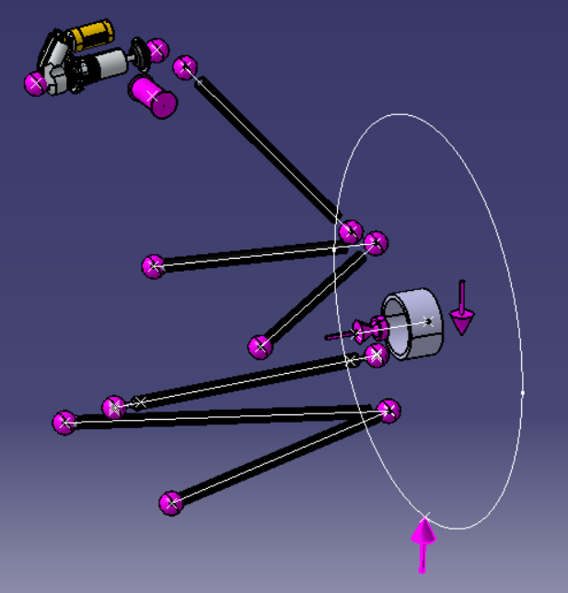
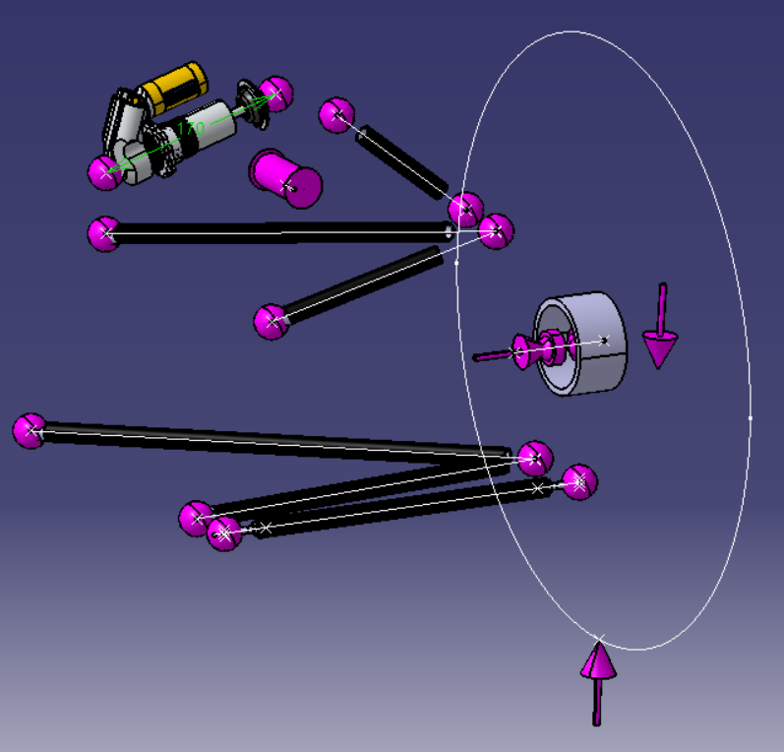

 | FR Wheel |  |  | RR Wheel
 |  |  |  | 6

